Material
Estimate Using ProBlock Masonry Wall System
Material Description | Wall Dimensions |  | Quantity |  | Material Waste | Lay Rate** (units per day) | Labor Price (per unit) | Labor Cost | Material Price (per unit) | Material Cost
8"Lt Wt CMU + CFI Foam |  | SF | 0 | Units | 3% | 0 | $0.00 | $0.00 | $0.00 | $0.00
12" Lt Wt CMU + CFI Foam |  | SF | 0 | Units |  | 0 | $0.00 | $0.00 | $0.00 | $0.00
8" ProBlock "H" |  | SF | 0 | Units |  | 0 | $0.00 | $0.00 | $0.00 | $0.00
12" ProBlock "H" |  | SF | 0 | Units |  | 0 | $0.00 | $0.00 | $0.00 | $0.00
8" ProBlock Architectural - Split Face |  | SF | 0 | Units |  | 0 | $0.00 | $0.00 | $0.00 | $0.00
12" ProBlock Architectural - Split Face |  | SF | 0 | Units |  | 0 | $0.00 | $0.00 | $0.00 | $0.00

Totals | 0.00 | SF | 0 | Units |  |  |  | $0.00 |  | $0.00

Your ProBlock Quote
Project: |  |  |  |  | Save time and material costs by estimating using ProBlock Masonry Wall Systems. This wall system includes the ProBlock specified as being needed and injectable masonry block core foam from CFI Foam. Combining the material prices for both materials decreases the total material cost and reduces the line items and contingencies on your project estimate. It eliminates the need to estimate insulation seperately. This spreadsheet was created for your convenience at the pleasure of ProBlock Masonry Wall Systems. Contact your local supplier or your personal ProBlock representative for more information.
8" ProBlock |  | per unit
12" ProBlock |  | per unit
8" ProBlock "H" |  | per unit
12" ProBlock "H" |  | per unit
8" ProBlock Architectural - Split Face |  | per unit
12" ProBlock Architectural - Split Face |  | per unit

CFI Injectable Foam* (8" ProBlock cores) |  | per unit
CFI Injectable Foam* (12" ProBlock cores) |  | per unit
 | ↑ Input YOUR ProBlock quote prices in this column
*Unit cost for injectable foam ONLY VALID for use as core fill in ProBlock units

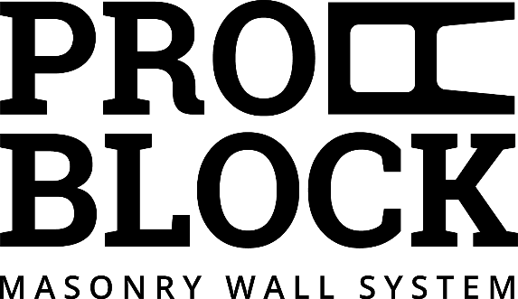
Current Lay Rates |  | Potential Increase in Productivity
 |  | 10% | 20% | 30% | 40%
8" Block per day |  | 0 | 0 | 0 | 0
12" Block per day |  | 0 | 0 | 0 | 0
 | ↑ Input YOUR lay rates in this column

** ProBlock Lay Rates based on an average 20% increase in mason productivity

20% increase covers the upcharge and by saving in your labor costs

